PIVOT TABLES
SALES TREND OVER TIME
SALES BY CATEGORY
 |  |  |  |  | Row Labels | Sum of Total_price |  |  |  |  | Row Labels | Sum of Total_price
Row Labels | Sum of Total_price | Sum of Net revenue |  |  | Bath & Body | 4221510.21 |  |  |  |  | Card | 28368347.43
Jan | 6535687.29 | 4353760.74 |  |  | Fragrance | 15744996.95 |  |  |  |  | Cash | 28532557
Feb | 5459881.22 | 3359947.02 |  |  | Hair | 17543342.39 |  |  |  |  | UPI | 27794147.02
Mar | 7557478.09 | 5657925.35 |  |  | Makeup | 19143063.99 |  |  |  |  | Grand Total | 84695051.45
SALES BY PAYMENT METHOD
Apr | 7710833.86 | 5140293.8 |  |  | Men | 635776.4
May | 6693825.29 | 4372374.75 |  |  | Mini Size | 2504620.54
Jun | 5781105.73 | 3730614.98 |  |  | Skincare | 24417873.18
Jul | 8361910.11 | 6041403.23 |  |  | Tools & Brushes | 483867.79
Aug | 7258379.17 | 5104511.38 |  |  | Grand Total | 84695051.45
Sep | 7899135.58 | 5092349.03
Oct | 7229276.43 | 5255609.43
Nov | 7735547.19 | 5416051.17
Dec | 6471991.49 | 4145608.97
Grand Total | 84695051.45 | 57670449.85

SALES BY BRAND (TOP 5)
Total_price | (All)
 |  |  | Row Labels | Sum of Total_price
Row Labels | Sum of Total_price |  | East | 21550776.03
Anastasia Beverly Hills | 2892387.51 |  | North | 21090267.68 |  |  | Row Labels | Count of Product_id | Row Labels | Count of Product_id
Bumble and bumble | 3211728.34 |  | South | 21012411.44 |  |  | Card | 967 | Cancelled | 147
Charlotte Tilbury | 2827316.66 |  | West | 21041596.3 |  |  | Cash | 997 | Delivered | 1994
CLINIQUE | 5023897.76 |  | Grand Total | 84695051.45 |  |  | UPI | 966 | Pending | 789
SALES BY REGION
Dior | 3705022.16 |  |  |  |  |  | Grand Total | 2930 | Grand Total | 2930 |  | sr.no. | Product_name | Category | Brand | Quantity | Avg. Discount | Net Sales
PAYMENT METHOD
DELIVERY STATUS
Grand Total | 17660352.43 |  |  |  |  |  |  |  |  |  |  | 1 | Active Moist Moisturizer | Skincare | Dermalogica | 6 | 15% | ₹ 101,367.60
 |  |  |  |  |  |  |  |  |  |  |  | 2 | Advanced Retinol + Ferulic Triple Correction Eye Serum | Skincare | Dr. Dennis Gross Skincare | 6 | 11% | ₹ 105,593.16
 |  |  |  |  |  |  |  |  |  |  |  | 3 | Brit Splash | Fragrance | BURBERRY | 6 | 10% | ₹ 106,860.60
 |  |  |  |  |  |  |  |  |  |  |  | 4 | Classic - Warm Cotton | Fragrance | CLEAN RESERVE | 6 | 14% | ₹ 102,761.40
 |  |  |  |  |  |  |  |  |  |  |  | 5 | EXPRESSIVE Scent Space Set | Fragrance | Commodity | 6 | 17% | ₹ 99,186.66
 |  |  |  |  |  |  |  |  |  |  |  | 6 | Gioia Perfume Gift Set | Fragrance | Armani Beauty | 6 | 12% | ₹ 101,312.64
 |  |  |  |  |  |  |  |  |  |  |  | 7 | Mini Soft Glam II Eye Shadow Palette | Makeup | Anastasia Beverly Hills | 6 | 15% | ₹ 99,888.60
 |  |  |  |  |  |  |  |  |  |  |  | 8 | Mini Virgin Marula LuxuryFace Oil | Skincare | Drunk Elephant | 6 | 12% | ₹ 99,311.52
 |  |  |  |  |  |  |  |  |  |  |  | 9 | Sweet Biome Fermented Sake Hydrating Spray | Skincare | Drunk Elephant | 6 | 12% | ₹ 104,063.52
 |  |  |  |  |  |  |  |  |  |  |  | 10 | Youth Junkie Activated Mask | Skincare | FOREO | 6 | 12% | ₹ 101,386.56

DASHBOARD
This Photo by Unknown Author is licensed under CC BY-SA-NC

FILTERS

TOTAL SALES
NET SALES
TOTAL ORDERS
TOTAL QUANTITY
AVG. DISCOUNT

₹ 5,75,85,686.85
2930
10146
₹ 8,46,10,289.45
20%

SALES TREND OVER TIME
 | Sum of Total_price | Sum of Net revenue
Jan | 6535687.29 | 4353760.74
Feb | 5459881.22 | 3359947.02
Mar | 7557478.09 | 5657925.35
Apr | 7710833.86 | 5140293.8
May | 6693825.29 | 4372374.75
Jun | 5781105.73 | 3730614.98
Jul | 8361910.11 | 6041403.23
Aug | 7258379.17 | 5104511.38
Sep | 7899135.58 | 5092349.03
Oct | 7229276.43 | 5255609.43
Nov | 7735547.19 | 5416051.17
Dec | 6471991.49 | 4145608.97
SALES BY CATEGORY
 | Total
Bath & Body | 4221510.21
Fragrance | 15744996.95
Hair | 17543342.39
Makeup | 19143063.99
Men | 635776.4
Mini Size | 2504620.54
Skincare | 24417873.18
Tools & Brushes | 483867.79
SALES BY BRAND (TOP 5)
 | Total
Anastasia Beverly Hills | 2892387.51
Bumble and bumble | 3211728.34
Charlotte Tilbury | 2827316.66
CLINIQUE | 5023897.76
Dior | 3705022.16

SALES BY REGION
 | Total
East | 21550776.03
North | 21090267.68
South | 21012411.44
West | 21041596.3
PAYMENT METHOD
 | Total
Card | 967
Cash | 997
UPI | 966
DELIVERY STATUS
 | Total
Cancelled | 147
Delivered | 1994
Pending | 789
SALES BY PAYMENT METHOD
 | Total
Card | 28368347.43
Cash | 28532557
UPI | 27794147.02

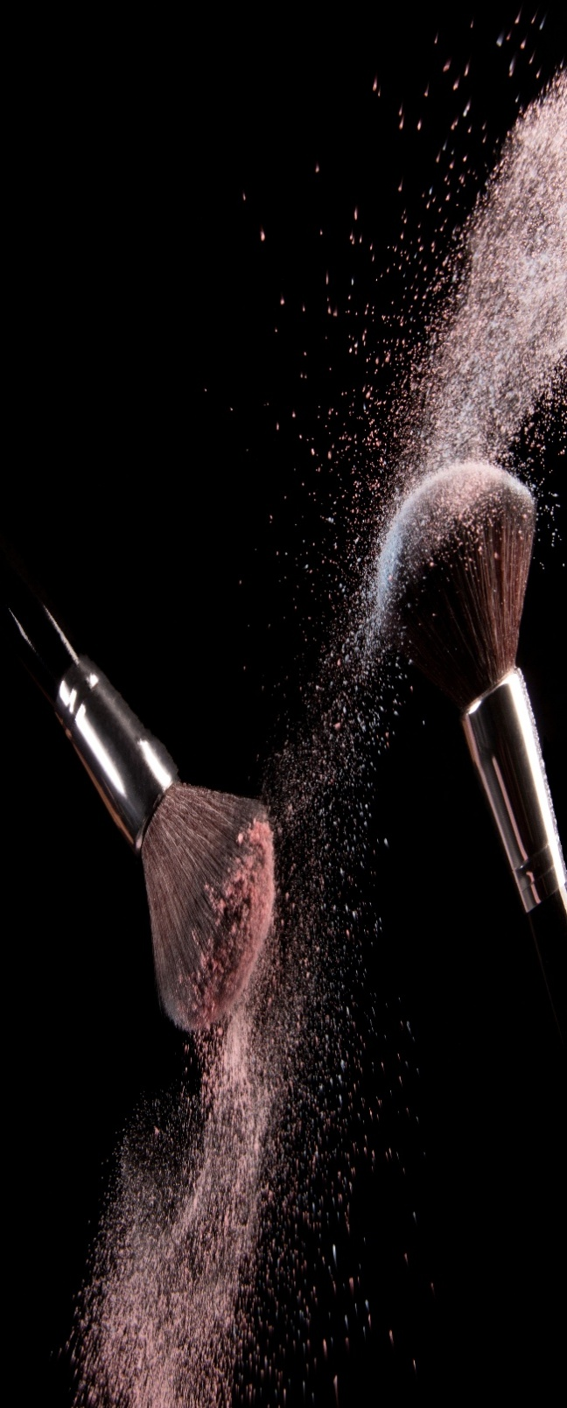

TOP 10 PRODUCTS BY NET SALES
INSIGHTS
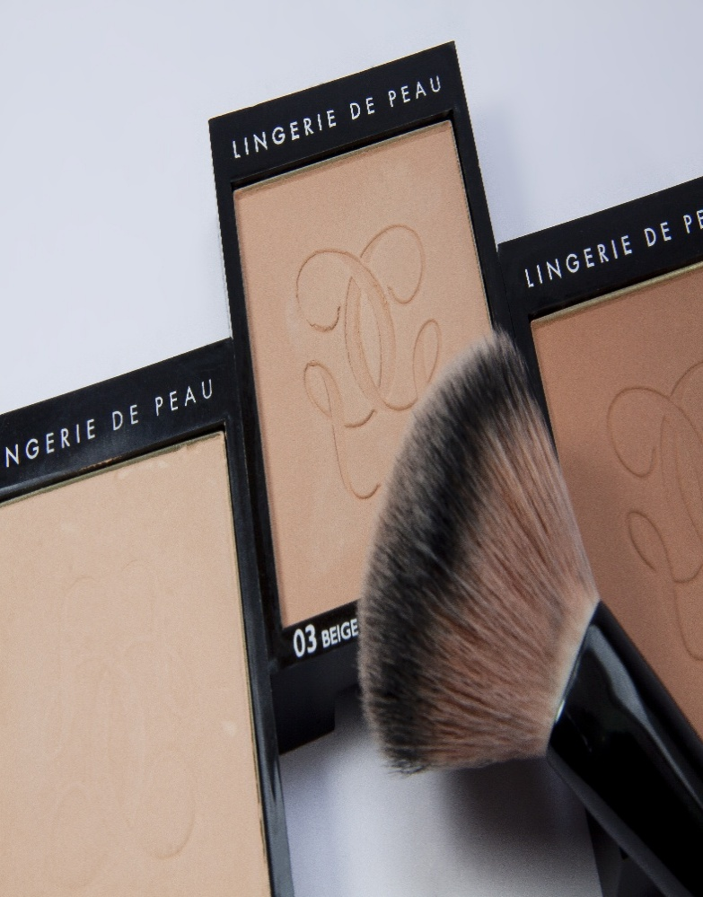

1. Total Sales increased by 12.6% compared to last year.
2. Skincare category contributes the highest sales (29%).
3. Cash is the most preferred payment method (34%).
4. East region generates the highest sales.
5. CLINQUE is the top performing brand in 2026.

